TEDB Edition 40
Micromobility users in seven different cities were asked what mode they would have used to complete their trip if a dockless bike or scooter had not been available. Just under half (45%) said they would have used a personal car or ride hail vehicle and another 9% said they would have used transit.

Figure 7.9. Share of Trips Replaced by Dockless Bikes and Scooters by Mode, 2019
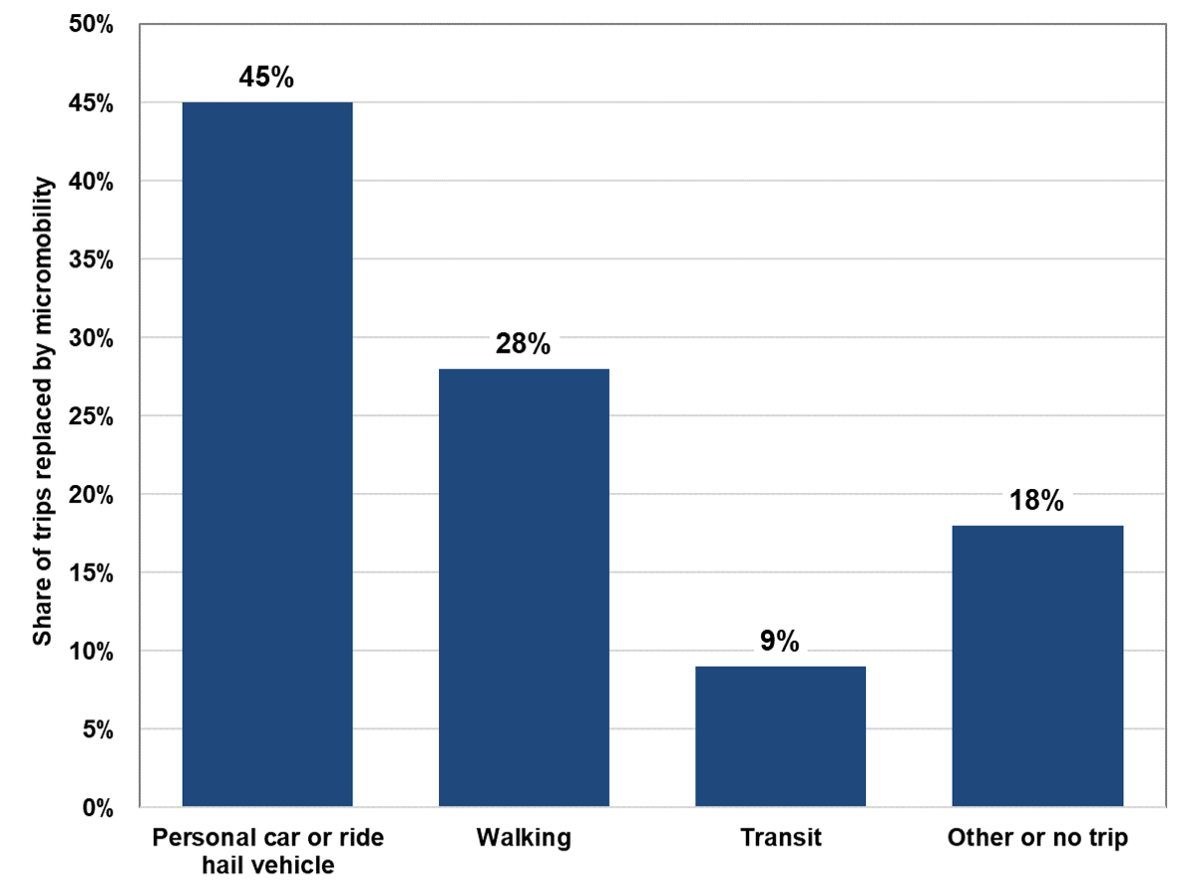

Mode | Share of trips replaced
Personal car or ride hail vehicle | 45%
Walking | 28%
Transit | 9%
Other or no trip | 18%
Total | 100%

Note: Includes data from surveys in Santa Monica, CA, Alexandria, VA, Bloomington, IN, Brookline, MA, Hoboken, NJ, Oakland, CA, and San Francisco, CA.

Source:
National Association of City Transportation Officials (NACTO), Shared Micromobility in the U.S.: 2019, 2020. (Additional information: nacto.org/shared-micromobility-2019)

